22.10.2018 Test
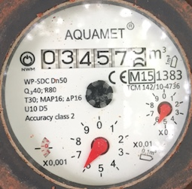
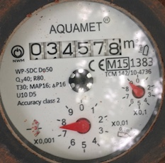
Verification of AWS flow meters through readings from Ultrasonic (U-S) Flow Meter
 | Date | 22.10.2018
 | Starting Time | 4.19 pm
 | Ending Time | 4.34 pm
 | Duration | 15 minutes

 | Minutes | U-S Readings
 | 1 | 9.1906
 | 2 | 9.0917
 | 3 | 9.0363
 | 4 | 8.7577
 | 5 | 8.8389
 | 6 | 8.6223
 | 7 | 8.5611
 | 8 | 8.4543
 | 9 | 8.3
 | 10 | 8.2203
 | 11 | 8.0953
 | 12 | 8.0998
 | 13 | 8.0862
 | 14 | 7.9478
 | 15 | 7.8211

 | Total | 127.1234 | Average | 8.4749

AWS flow meter
starting reading (cubic meters) |  |  |  | 34575.560
ending reading (cubic meters) |  |  |  | 34577.873
water flowing in 15 minutes (cubic meters) |  |  |  | 2.3130
water flowing in one hour (cubic meters) |  |  |  | 9.2520

U-S flow meter
water flowing in one hour (cubic meters) |  |  |  | 8.4749

Difference between Ultrasonic flowmeter readings average and AWS meter (cubic meters) |  |  |  | 0.7771

RESULT
AWS meter is measuring 0.777 cubic meters per hour more than U-S flow meter (about 9%)

AWS meter - Starting Reading |  |  | AWS meter - Ending Reading

29.10.2018 Test
Verification of AWS flow meters through readings from Ultrasonic (U-S) Flow Meter
 | Date | 29.10.2018
 | Starting Time | 3.48 pm
 | Ending Time | 4.17 pm
 | Duration | 30 minutes

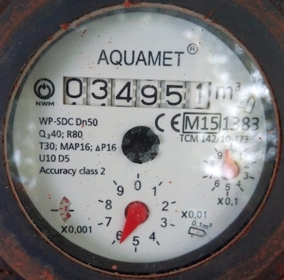
 | Minutes | U-S Readings |  | AWS meter - Starting Reading
 | 1 | 8.3507
 | 2 | 8.2758
 | 3 | 8.1516
 | 4 | 8.0431
 | 5 | 8.005
 | 6 | 7.9197
 | 7 | 7.7432
 | 8 | 7.702
 | 9 | 7.7941
 | 10 | 7.6435
 | 11 | 7.457
 | 12 | 7.449
 | 13 | 7.5347
 | 14 | 7.4411
 | 15 | 7.3345
 | 16 | 7.2884
 | 17 | 7.1431 |  | AWS meter - Ending Reading
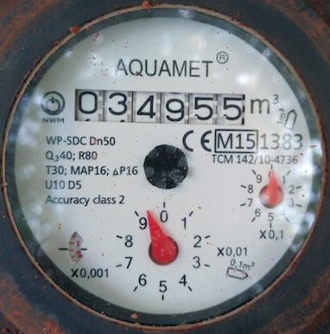
 | 18 | 7.1821
 | 19 | 6.9749
 | 20 | 7.0511
 | 21 | 6.9799
 | 22 | 6.8729
 | 23 | 6.7818
 | 24 | 6.712
 | 25 | 6.7492
 | 26 | 6.6235
 | 27 | 6.5313
 | 28 | 6.4949
 | 29 | 6.3573
 | 30 | 6.5394

 | Total | 219.1268 | Average | 7.3042

AWS flow meter
starting reading (cubic meters) |  |  |  | 34950.957
ending reading (cubic meters) |  |  |  | 34955.091
water flowing in 30 minutes (cubic meters) |  |  |  | 4.134
water flowing in one hour (cubic meters) |  |  |  | 8.268

U-S flow meter
water flowing in one hour (cubic meters) |  |  |  | 7.3042

Difference between Ultrasonic flowmeter readings average and AWS meter (cubic meters) |  |  |  | 0.9638

RESULT
AWS meter is measuring 0.96 cubic meters per hour more than U-S flow meter (about 13%)

03.11.2018 Test 1
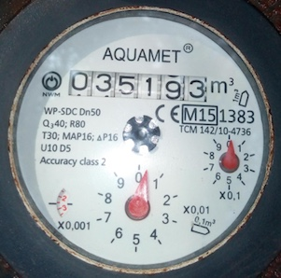
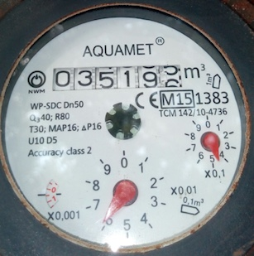
Verification of AWS flow meters through readings from Ultrasonic (U-S) Flow Meter
 | Date | 03.11.2018
 | Starting Time | 10.45 am
 | Ending Time | 11.00 am
 | Duration | 15 minutes

 | Minutes | U-S Readings
 | 1 | 10.483
 | 2 | 10.52
 | 3 | 10.103
 | 4 | 9.9548
 | 5 | 9.7263
 | 6 | 9.8214
 | 7 | 9.6678
 | 8 | 9.7164
 | 9 | 9.5865
 | 10 | 9.4094
 | 11 | 9.435
 | 12 | 9.2316
 | 13 | 9.2373
 | 14 | 9.1703
 | 15 | 9.083

 | Total | 145.1458 | Average | 9.6764

AWS flow meter
starting reading (cubic meters) |  |  |  | 35193.002
ending reading (cubic meters) |  |  |  | 35195.460
water flowing in 15 minutes (cubic meters) |  |  |  | 2.4580
water flowing in one hour (cubic meters) |  |  |  | 9.8320

U-S flow meter
water flowing in one hour (cubic meters) |  |  |  | 9.6764

Difference between Ultrasonic flowmeter readings average and AWS meter (cubic meters) |  |  |  | 0.1556

RESULT
AWS meter is measuring 0.156 cubic meters per hour more than U-S flow meter (about 1.2%)

AWS meter - Starting Reading |  |  | AWS meter - Ending Reading

03.11.2018 Test 2
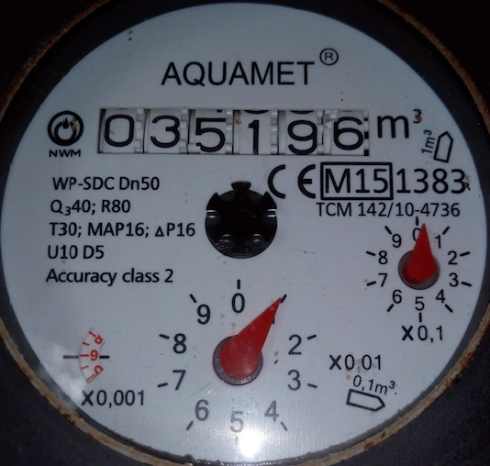
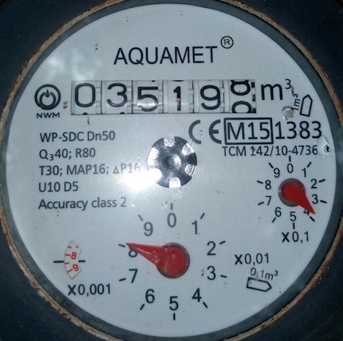
Verification of AWS flow meters through readings from Ultrasonic (U-S) Flow Meter
 | Date | 03.11.2018
 | Starting Time | 11.25 am
 | Ending Time | 11.40 am
 | Duration | 15 minutes

 | Minutes | U-S Readings
 | 1 | 10.133
 | 2 | 10.103
 | 3 | 9.903
 | 4 | 9.8242
 | 5 | 9.7623
 | 6 | 9.6474
 | 7 | 9.4992
 | 8 | 9.3499
 | 9 | 9.1881
 | 10 | 9.0772
 | 11 | 9.1139
 | 12 | 8.9761
 | 13 | 8.9
 | 14 | 8.7969
 | 15 | 8.7375

 | Total | 141.0117 | Average | 9.4008

AWS flow meter
starting reading (cubic meters) |  |  |  | 35196.009
ending reading (cubic meters) |  |  |  | 35198.388
water flowing in 15 minutes (cubic meters) |  |  |  | 2.3790
water flowing in one hour (cubic meters) |  |  |  | 9.5160

U-S flow meter
water flowing in one hour (cubic meters) |  |  |  | 9.4008

Difference between Ultrasonic flowmeter readings average and AWS meter (cubic meters) |  |  |  | 0.1152

RESULT
AWS meter is measuring 0.115 cubic meters per hour more than U-S flow meter (about 1.2%)

AWS meter - Starting Reading |  |  | AWS meter - Ending Reading

